Foglio1
 | REF: |  | WHS | 36 | 37 | 38 | 39 | 40 | 41 |  |  |  | Total general
 | 1010597 12P | WOMEN DSTR 97 | 52.98 € | 11 | 22 | 33 | 33 | 22 | 11 |  |  |  | 132
 | REF: |  | WHS | XXS | XS | S | M | L | XL | XXL |  |  | Total general
 | 681090 002 | UNISEX CLASSIC PURE HOODY | 29.25 € |  | 50 | 148 | 151 | 74 | 39 | 3 |  |  | 465
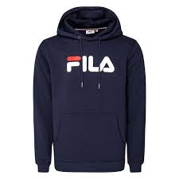 | 681090 170 | UNISEX CLASSIC PURE HOODY | 29.25 € |  | 2 | 3 | 3 |  | 3 |  |  |  | 11
 | 681090 A033 | UNISEX CLASSIC PURE HOODY | 29.25 € |  |  | 2 | 4 | 4 | 2 |  |  |  | 12
 | 681090 B13 | UNISEX CLASSIC PURE HOODY | 29.25 € |  |  | 3 |  |  |  |  |  |  | 3
 | 681090 C45 | UNISEX CLASSIC PURE HOODY | 29.25 € |  | 2 | 3 | 1 |  |  |  |  |  | 6
 | 681090 L89 | UNISEX CLASSIC PURE HOODY | 29.25 € |  | 6 | 3 | 1 |  |  |  |  |  | 10
 | 681090 M47 | UNISEX CLASSIC PURE HOODY | 29.25 € |  | 2 | 3 |  |  | 3 | 3 |  |  | 11
 | 681090 M67 | UNISEX CLASSIC PURE HOODY | 29.25 € |  | 1 | 3 | 3 | 3 |  |  |  |  | 10
 | 681090 V51 | UNISEX CLASSIC PURE HOODY | 29.25 € |  | 1 |  | 2 | 1 |  |  |  |  | 4
 | 681091 002 | UNISEX CLASSIC PURE CREW | 26.95 € |  | 27 | 81 | 126 | 56 | 9 |  |  |  | 299
 | 681091 B13 | UNISEX CLASSIC PURE CREW | 26.95 € |  |  |  | 4 |  | 1 |  |  |  | 5
 | 681091 M67 | UNISEX CLASSIC PURE CREW | 26.95 € |  | 3 | 2 |  |  |  | 2 |  |  | 7
 | 681092 589 | CLASSIC PURE LONG SLEEVE | 18.75 € |  |  | 2 | 3 | 3 | 2 |  |  |  | 10
 | 681092-M67 | UNISEX CLASSIC PURE long sleeve shirt | 18.75 € |  | 2 |  |  |  |  |  |  |  | 2
 | 681093 002 | UNISEX CLASSIC PURE SS TEE | 14.45 € |  | 42 | 116 | 148 | 68 | 36 |  |  |  | 410
 | 681093 170 | UNISEX CLASSIC PURE SS TEE | 14.45 € |  |  | 11 | 22 | 22 | 11 |  |  |  | 66
 | 681093 A204 | UNISEX CLASSIC PURE SS TEE | 14.45 € |  |  | 3 | 6 | 6 | 4 | 2 |  |  | 21
 | 681093 J30 | UNISEX CLASSIC PURE SS TEE | 14.45 € |  |  | 3 | 3 | 3 |  | 3 |  |  | 12
 | 681093 M47 | UNISEX CLASSIC PURE SS TEE | 14.45 € |  | 3 | 3 |  |  |  |  |  |  | 6
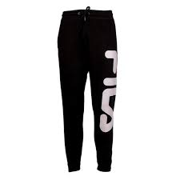 | 681094 002 | UNISEX CLASSIC PURE PANTS | 24.95 € |  | 70 | 210 | 287 | 133 | 61 |  |  |  | 761
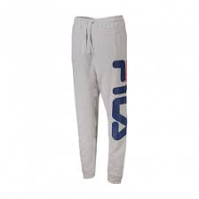 | 681094 B13 | UNISEX CLASSIC PURE PANTS | 24.95 € |  | 3 |  | 3 | 3 | 1 | 2 |  |  | 12
 | 681094 M67 | UNISEX CLASSIC PURE PANTS | 24.95 € |  | 3 | 3 | 3 | 3 | 3 | 2 |  |  | 17
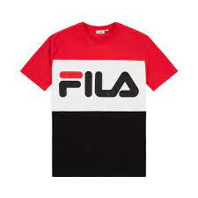 | 681244 A089 | MEN DAY TEE | 16.75 € |  |  | 2 | 4 | 4 | 2 |  |  |  | 12
 | 681244 A218 | MEN DAY TEE | 16.75 € |  |  | 2 | 3 | 3 | 2 |  |  |  | 10
 | 681244 G06 | MEN DAY TEE | 16.75 € |  |  | 2 |  |  |  |  |  |  | 2
 | 681244 I85 | MEN DAY TEE | 16.75 € |  | 2 | 5 | 8 | 4 | 5 |  |  |  | 24
 | 681255 A063 | MEN STRAIGHT BLACK CREW | 29.25 € |  |  | 1 | 3 |  |  |  |  |  | 4
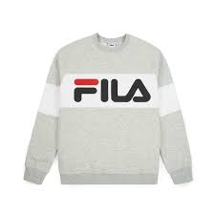 | 681255 A068 | MEN STRAIGHT BLACK CREW | 29.25 € |  | 2 | 3 | 3 |  |  |  |  |  | 8
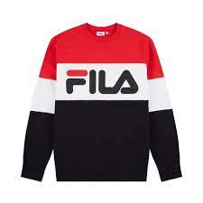 | 681255 A089 | MEN STRAIGHT BLACK CREW | 29.25 € |  |  | 1 | 2 | 2 | 1 |  |  |  | 6
 | 681255 A216 | MEN STRAIGHT BLACK CREW | 29.25 € |  | 10 | 32 | 44 | 18 | 8 |  |  |  | 112
 | 681255 G06 | MEN STRAIGHT BLACK CREW | 29.25 € |  |  | 1 | 2 | 2 | 1 |  |  |  | 6
 | 681255 I85 | MEN STRAIGHT BLACK CREW | 29.25 € |  |  | 1 | 2 | 2 | 1 |  |  |  | 6
 | 681267 M67 | WOMEN EVERY SHIRT | 18.65 € |  |  | 3 |  |  |  |  |  |  | 3
 | 681826 002 | WOMEN FLEX 2.0 LEGGINS | 18.75 € | 2 | 44 | 41 | 122 |  |  |  |  |  | 209
 | 681826 170 | WOMEN FLEX 2.0 LEGGINS | 18.75 € |  | 6 | 6 | 8 | 4 | 2 |  |  |  | 26
 | 681868 006 | MEN TAPE TRACK PANTS | 31.25 € |  | 1 | 4 |  |  |  |  |  |  | 5
 | 682099 002 | MEN EVAN 2.00 TEE | 16.75 € |  |  |  |  | 2 |  |  |  |  | 2
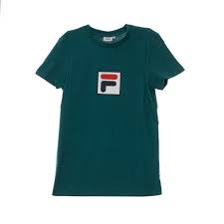 | 682099 A109 | MEN EVAN 2.00 TEE | 16.75 € |  |  |  | 3 | 3 | 1 |  |  |  | 7
 | 682099 M67 | MEN EVAN 2.00 TEE | 16.75 € |  |  | 1 | 2 |  |  |  |  |  | 3
 | 682201 002 | MEN UNWIND TEE | 12.42 € |  |  | 3 |  | 2 |  |  |  |  | 5
 | 682201 170 | MEN UNWIND TEE | 12.42 € |  |  | 3 | 3 | 2 | 3 |  |  |  | 11
 | 682298 V51 | MEN RIAN CREW SWEAT | 31.25 € |  | 2 | 4 | 4 | 1 | 1 |  |  |  | 12
 | 682310 006 | WOMEN REHAN TEE SS | 16.75 € |  | 3 | 3 | 3 |  |  |  |  |  | 9
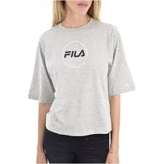 | 682310 B13 | WOMEN REHAN TEE SS | 16.75 € |  | 3 | 3 | 3 | 3 | 1 |  |  |  | 13
 | 682319 A025 | WOMAN NOVA TEE | 14.45 € |  |  |  |  | 3 | 2 |  |  |  | 5
 | 682319 A030 | WOMAN NOVA TEE | 14.45 € |  | 2 | 3 |  |  |  |  |  |  | 5
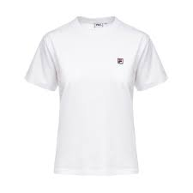 | 682319 M67 | WOMAN NOVA TEE | 14.45 € |  |  | 3 |  |  |  |  |  |  | 3
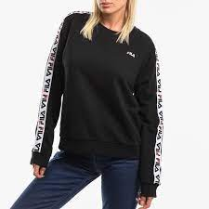 | 682326 002 | WOMEN TIRKA CREW SWEAT | 31.25 € |  | 2 | 4 | 4 |  |  |  |  |  | 10
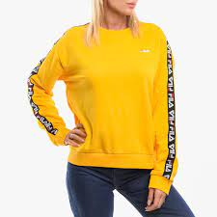 | 682326 589 | WOMEN TIRKA CREW SWEAT | 31.25 € |  | 1 | 2 | 2 |  |  |  |  |  | 5
 | 682326 B13 | WOMEN TIRKA CREW SWEAT | 31.25 € |  | 3 |  | 3 | 3 | 1 |  |  |  | 10
 | 682340 A067 | WOMEN BRONTE JACKET | 31.25 € |  | 2 | 3 | 3 | 2 |  |  |  |  | 10
 | 682346 A18 | MEN T SHIRT | 20.75 € |  | 1 | 1 | 1 |  |  |  |  |  | 3
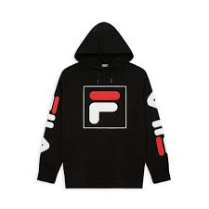 | 682355 002 | MEN TOTAL HOODY | 37.45 € |  | 3 | 9 | 12 | 6 | 3 |  |  |  | 33
 | 682356 A081 | MEN HERRON HALF ZIPP | 39.45 € |  | 2 | 3 | 3 | 3 | 3 |  |  |  | 14
 | 682356 A082 | MEN HERRON HALF ZIPP | 39.45 € |  | 2 | 3 | 3 |  | 1 | 1 |  |  | 10
 | 682357 A081 | MEN NOLIN TRACK PANTS | 35.45 € |  | 2 |  |  | 1 | 2 |  |  |  | 5
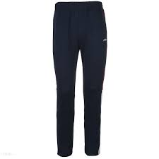 | 682357 A082 | MEN NOLIN TRACK PANTS | 35.45 € |  | 2 | 3 | 2 | 2 | 3 | 1 |  |  | 13
 | 682362 002 | MEN TALON TEE SS | 16.75 € |  | 2 |  |  |  |  |  |  |  | 2
 | 682362 M67 | MEN TALON TEE SS | 16.75 € |  |  |  | 3 |  |  |  |  |  | 3
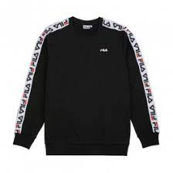 | 682363 002 | MEN AREN CREW | 33.25 € |  |  | 2 | 4 | 4 | 2 |  |  |  | 12
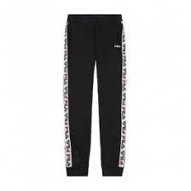 | 682365 002 | MEN TADEO TOPE SWEAT PANTS | 33.25 € |  |  | 2 | 4 | 4 | 2 |  |  |  | 12
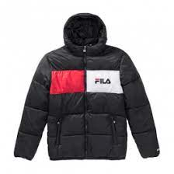 | 682368 002 | MEN FLOYD PUFF HOOD JACKET | 41.95 € |  | 10 | 32 | 44 | 18 | 8 |  |  |  | 112
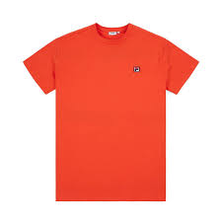 | 682393 M47 | MEN TEE SS | 14.45 € |  | 2 | 3 | 1 | 3 | 3 |  |  |  | 12
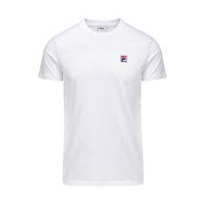 | 682393 M67 | MEN TEE SS | 14.45 € |  | 5 | 3 | 3 | 1 |  |  |  |  | 12
 | 682394 A109 | MEN EDGAR POLO | 22.95 € |  | 1 | 2 | 3 | 3 | 2 | 1 |  |  | 12
 | 682427 A109 | MEN SHAWN HOODED SWEAT | 35.45 € |  |  | 1 | 3 | 1 | 5 |  |  |  | 10
 | 682431 002 | MEN CARLOS SHORTS | 18.75 € |  | 2 | 3 | 1 |  | 1 |  |  |  | 7
 | 682434 E09 | MEN ANORACK | 43.75 € |  | 2 | 3 | 3 | 3 | 2 |  |  |  | 13
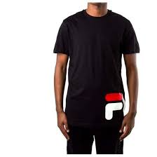 | 684489 002 | MEN SS TEE | 16.75 € |  | 2 | 4 | 5 | 5 | 4 | 1 |  |  | 21
 | 684489 M67 | MEN SS TEE | 16.75 € |  | 2 | 3 | 4 | 2 | 1 | 1 |  |  | 13
 | 687000 E09 | MEN BELA TRACK PANTS | 26.95 € |  | 2 | 3 | 3 | 3 | 1 |  |  |  | 12
 | 687001 A063 | MEN NIGHT BLOCKED HOODY | 33.25 € |  |  | 3 |  | 3 | 3 | 2 |  |  | 11
 | 687001 A068 | MEN NIGHT BLOCKED HOODY | 33.25 € |  | 2 | 2 |  |  |  |  |  |  | 4
 | 687001 A089 | MEN NIGHT BLOCKED HOODY | 33.25 € |  |  | 3 | 5 | 2 | 1 |  |  |  | 11
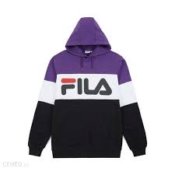 | 687001 A178 | MEN NIGHT BLOCKED HOODY | 33.25 € |  | 2 | 2 | 1 | 2 |  |  |  |  | 7
 | 687001 A208 | MEN NIGHT BLOCKED HOODY | 33.25 € |  | 10 | 36 | 45 | 19 | 6 |  |  |  | 116
 | 687001 A220 | MEN NIGHT BLOCKED HOODY | 33.25 € |  | 3 | 5 | 7 | 7 | 2 |  |  |  | 24
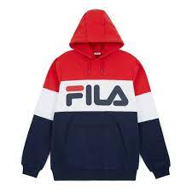 | 687001 G06 | MEN NIGHT BLOCKED HOODY | 33.25 € |  | 2 | 2 | 2 | 2 | 1 | 3 |  |  | 12
 | 687002 170 | MEN HECTOR CREW | 26.90 € |  | 3 | 3 | 2 | 3 |  |  |  |  | 11
 | 687002 B13 | MEN HECTOR CREW | 26.95 € |  | 2 | 3 | 3 | 3 | 3 |  |  |  | 14
 | 687002 L89 | MEN HECTOR CREW | 26.95 € |  | 2 | 4 | 4 |  |  |  |  |  | 10
 | 687003 B13 | MEN VICTOR HOODY | 31.25 € |  | 3 | 3 | 3 |  |  |  |  |  | 9
 | 687003 L89 | MEN VICTOR HOODY | 31.25 € |  | 2 | 3 | 3 | 2 |  |  |  |  | 10
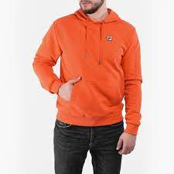 | 687003 M47 | MEN VICTOR HOODY | 31.25 € |  | 2 | 3 | 3 | 3 | 2 |  |  |  | 13
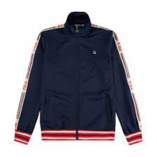 | 687004 170 | MEN LEFTY TRACK JACKET | 47.95 € |  | 2 | 3 |  | 3 |  |  |  |  | 8
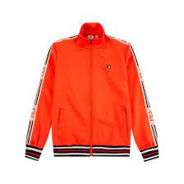 | 687004 M47 | MEN LEFTY TRACK JACKET | 47.95 € |  | 3 | 2 | 3 | 3 | 3 |  |  |  | 14
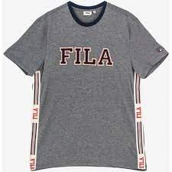 | 687005 V10 | MEN HANK TEE | #REF! |  | 2 | 4 | 4 | 4 |  |  |  |  | 14
 | 687006 170 | MEN LOU TRACK PANTS | 37.45 € |  | 2 | 2 | 3 | 6 |  |  |  |  | 13
 | 687006 M47 | MEN LOU TRACK PANTS | 37.45 € |  | 2 | 3 |  |  |  |  |  |  | 5
 | 687008 A032 | MEN CAL CREW SWEAT | 35.45 € |  | 2 | 3 | 3 | 3 |  |  |  |  | 11
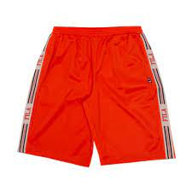 | 687009 M47 | MEN JOSH SHORTS | 26.95 € |  | 2 | 4 | 4 | 4 | 1 | 2 |  |  | 17
 | 687010 A085 | MEN SALUS TEE | 16.75 € |  | 2 | 3 | 3 | 3 |  |  |  |  | 11
 | 687010 I98 | MEN SALUS TEE | 16.75 € |  | 2 |  | 4 |  |  |  |  |  | 6
 | 687012 002 | MEN NOEL TRACK JACKET | 39.45 € |  | 1 | 3 | 3 | 3 | 2 |  |  |  | 12
 | 687013 A074 | MEN DON WOVEN JACKET | 51.95 € |  | 2 | 3 | 3 | 3 | 2 |  |  |  | 13
 | 687014 A074 | MEN TRACK PANTS | 39.45 € |  | 2 | 3 | 3 | 3 | 2 |  |  |  | 13
 | 687016 B13 | MEN RAKA JERSEY SHORTS | 24.95 € |  |  | 3 | 3 | 1 |  |  |  |  | 7
 | 687016 G13 | MEN RAKA JERSEY SHORTS | 24.95 € |  | 2 |  |  |  |  |  |  |  | 2
 | 687017 A074 | MEN BORIS HOODY | 41.75 € |  | 1 | 2 | 2 | 1 |  |  |  |  | 6
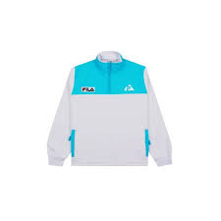 | 687018 A276 | MEN SWEATSHIRT | 43.75 € |  | 2 | 3 | 3 | 3 | 2 |  |  |  | 13
 | 687019 L51 | UNISEX LONG ANORACK | 51.95 € |  | 2 | 2 | 1 | 2 |  |  |  |  | 7
 | 687020 L51 | UNISEX DAVID FUNCTION.. | 35.45 € |  | 3 | 3 | 1 |  |  |  |  |  | 7
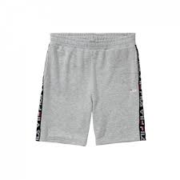 | 687021 B13 | MEN SHORTS | 20.75 € |  | 2 | 2 | 4 | 1 |  |  |  |  | 9
 | 687023 002 | MEN DAVID HOODY | 35.45 € |  |  | 2 | 4 | 4 | 2 |  |  |  | 12
 | 687023 006 | MEN DAVID HOODY | 35.45 € |  | 2 | 3 | 1 |  |  |  |  |  | 6
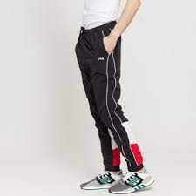 | 687024 A072 | MEN PANTS | 35.45 € |  | 3 | 3 | 3 | 3 | 2 |  |  |  | 14
 | 687024 I98 | MEN PANTS | 35.45 € |  | 2 | 3 | 3 | 3 | 2 |  |  |  | 13
 | 687026 M67 | MEN RALPH JACKET | 39.45 € |  | 2 | 3 |  | 1 | 2 |  |  |  | 8
 | 687028 002 | MEN RANGLE HOODY | 35.45 € |  | 3 | 5 | 1 |  |  |  |  |  | 9
 | 687031 A071 | MEN TALEN TRACK JACKET | 43.75 € |  | 2 | 3 | 3 | 3 | 3 |  |  |  | 14
 | 687031 A072 | MEN TALEN TRACK JACKET | 43.75 € |  | 3 | 3 |  |  |  |  |  |  | 6
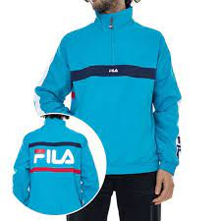 | 687032 A071 | MEN JONA ZIP JACKET | 43.75 € |  | 2 | 3 | 3 | 3 | 2 |  |  |  | 13
 | 687032 K15 | MEN JONA ZIP JACKET | 43.75 € |  | 2 | 3 | 3 | 3 | 2 |  |  |  | 13
 | 687033 I22 | MEN HOODY | 35.45 € |  | 2 | 4 | 4 |  |  |  |  |  | 10
 | 687033 K15 | MEN HOODY | 35.45 € |  | 2 | 3 | 1 | 2 |  |  |  |  | 8
 | 687034 G12 | MEN NOLAN TEE | 16.75 € |  |  |  |  | 1 |  |  |  |  | 1
 | 687042 A064 | WOMEN LORI HOODY | 33.25 € |  | 3 | 3 | 3 | 1 |  |  |  |  | 10
 | 687042 A067 | WOMEN LORI HOODY | 33.25 € |  | 1 | 1 | 2 |  | 4 |  |  |  | 8
 | 687042 G06 | WOMEN LORI HOODY | 33.25 € |  | 1 |  |  |  |  |  |  |  | 1
 | 687042 I98 | WOMEN LORI HOODY | 33.25 € |  | 3 |  | 3 |  |  |  |  |  | 6
 | 687043 A064 | WOMEN CREW SWEAT | 29.08 € |  | 2 | 3 | 2 |  |  |  |  |  | 7
 | 687043 A067 | WOMEN CREW SWEAT | 29.08 € |  | 2 | 3 | 1 |  |  |  |  |  | 6
 | 687043 A073 | WOMEN CREW SWEAT | 29.08 € |  |  |  |  | 1 |  |  |  |  | 1
 | 687044 A030 | WOMEN SWEAT SUZAN CREW | 26.95 € |  | 1 | 3 | 1 |  |  |  |  |  | 5
 | 687044 M67 | WOMEN SWEAT SUZAN CREW | 26.95 € |  | 3 | 3 |  |  |  |  |  |  | 6
 | 687048 170 | WOMEN JULIANNE | 33.25 € |  | 3 | 1 |  |  |  |  |  |  | 4
 | 687048 A032 | WOMEN JULIANNE | 33.25 € |  | 3 | 3 | 3 | 3 |  |  |  |  | 12
 | 687049 170 | WOMEN SKIRT | 26.95 € |  | 1 |  | 3 | 2 |  |  |  |  | 6
 | 687049 A032 | WOMEN SKIRT | 26.95 € |  | 2 | 3 | 2 | 2 |  |  |  |  | 9
 | 687051 A078 | WOMEN NOREEN TEE | 16.75 € |  | 2 | 4 | 3 |  |  |  |  |  | 9
 | 687051 A079 | WOMEN NOREEN TEE | 16.75 € |  | 4 | 4 | 4 |  |  |  |  |  | 12
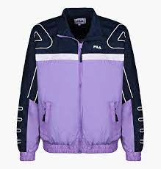 | 687053 A066 | WOMEN CAROL WOVEN JACKET | 51.95 € |  | 2 | 3 | 3 | 3 | 2 |  |  |  | 13
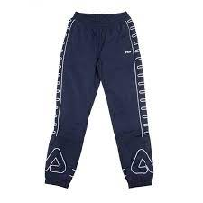 | 687054 A078 | WOMEN | 39.45 € |  | 2 | 3 | 3 | 3 | 2 |  |  |  | 13
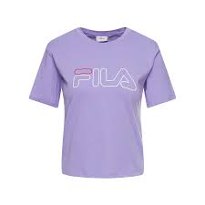 | 687055 A025 | WOMEN VIC TEE | 16.75 € |  | 3 | 3 | 3 | 3 |  |  |  |  | 12
 | 687057 A066 | WOMEN VERONICA CREW | 37.45 € |  | 3 | 3 | 2 | 3 |  |  |  |  | 11
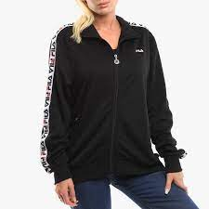 | 687069 002 | WOMEN TALLI TRACK JACKET | 33.25 € |  | 2 | 4 | 4 |  |  |  |  |  | 10
 | 687071 A075 | WOMEN TRACK JACKET | 43.75 € |  | 2 | 3 | 3 |  | 2 |  |  |  | 10
 | 687072 170 | WOMEN SHORTS | 18.75 € |  | 1 | 3 | 3 |  |  |  |  |  | 7
 | 687072 J93 | WOMEN SHORTS | 18.75 € |  | 2 | 3 | 3 |  |  |  |  |  | 8
 | 687073 A31 | WOMEN CLARA HOODY SWEAT | 35.45 € |  | 2 | 3 |  |  |  |  |  |  | 5
 | 687073 L89 | WOMEN CLARA HOODY SWEAT | 35.45 € |  | 3 | 3 |  |  |  |  |  |  | 6
 | 687079 K14 | WOMEN ELLA HOODY | 37.45 € |  | 3 | 3 | 3 |  | 1 |  |  |  | 10
 | 687081 170 | WOMEN ASHLEY CROPED TEE | 16.75 € |  |  |  |  | 1 |  |  |  |  | 1
 | 687082 A070 | WOMEN KAYA WIND JACKET | 52.00 € |  | 2 | 3 | 3 | 3 | 2 |  |  |  | 13
 | 687086 002 | WOMEN JUSTYNA CREW | 33.25 € |  | 2 | 3 | 3 | 2 | 1 |  |  |  | 11
 | 687091 B13 | CLASSIC PURE | 31.25 € |  |  | 3 | 3 | 3 |  |  |  |  | 9
 | 687092 M67 | YULIA BODY | 38.50 € |  |  | 3 | 3 | 1 | 2 |  |  |  | 9
 | 687122 A267 | MEN HALT SHELL JACKET | 68.75 € |  | 2 | 3 | 3 | 3 | 2 |  |  |  | 13
 | 687125 A069 | WOMEN ALLISON TEE | 14.45 € |  | 3 |  |  |  |  |  |  |  | 3
 | 687130 002 | MEN RUDY TEE SS | 18.75 € |  | 1 |  |  |  |  |  |  |  | 1
 | 687164 M67 | MEN RALPH TRAIL PANTS | 35.45 € |  |  | 3 | 3 | 3 | 2 |  |  |  | 11
 | 687165 A083 | MEN SWEATSHIRT | 35.45 € |  | 2 | 3 | 3 | 3 | 1 |  |  |  | 12
 | 687214 A206 | WOMEN JOSETTE CROP TOP | 14.45 € |  | 2 | 3 | 3 | 2 |  |  |  |  | 10
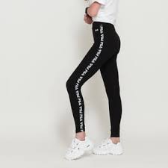 | 687216 002 | WOMEN PHILLINE LEGGINS | 24.95 € |  | 2 | 4 | 4 |  |  |  |  |  | 10
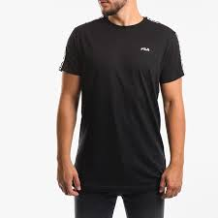 | 687217 002 | MEN TEE SS | 16.75 € |  |  | 2 | 4 | 4 | 2 |  |  |  | 12
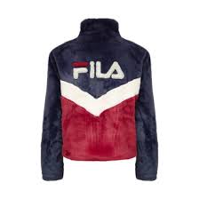 | 687225 A248 | WOMEN CHAIRMAN JACKET | 54.05 € |  | 2 | 3 | 3 | 2 |  |  |  |  | 10
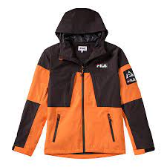 | 687249 A240 | MEN HERB SHELL JACKET | 95.75 € |  |  | 1 | 2 | 2 | 1 |  |  |  | 6
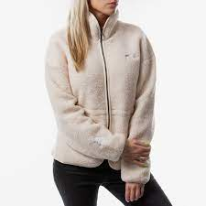 | 687251 A032 | WOMEN HAJAR SHERPA | 49.75 € |  | 10 | 30 | 40 | 14 | 6 |  |  |  | 100
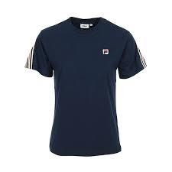 | 687289 170 | WOMEN ROSALIA CROPPED TEE | 18.75 € |  | 2 | 3 | 3 | 2 |  |  |  |  | 10
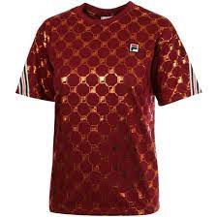 | 687290 A259 | WOMEN ROSALIA AOP TEE | 20.75 € |  | 4 | 9 | 10 | 2 |  |  |  |  | 25
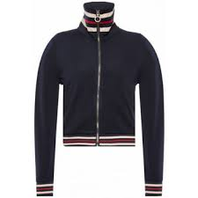 | 687293 170 | MEN TRACK JACKET | 37.45 € |  | 2 | 4 | 4 |  |  |  |  |  | 10
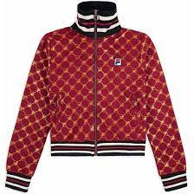 | 687294 A259 | WOMEN TRACK JACKET | 39.45 € |  | 5 | 9 | 9 | 2 |  |  |  |  | 25
 | 687295 A259 | WOMEN GVANTSA CROPPED PANTS | 35.45 € |  | 3 | 5 | 5 | 2 |  |  |  |  | 15
 | 687297 170 | WOMEN GVANTSA CROPPED PANTS | 33.25 € |  | 2 | 1 | 2 |  |  |  |  |  | 5
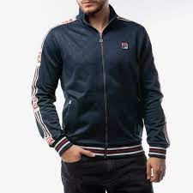 | 687298 170 | MEN TRACK JACKET | 43.75 € |  |  | 4 | 7 | 7 | 4 |  |  |  | 22
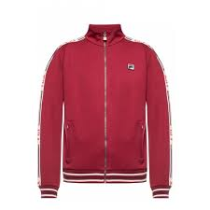 | 687299 J93 | MEN IRODION TRACK JACKET | 39.45 € |  |  | 3 | 5 | 5 | 3 |  |  |  | 16
 | 687300 170 | MEN TRACK PANTS | 39.45 € |  |  | 3 | 5 | 5 | 3 |  |  |  | 16
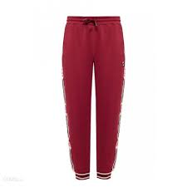 | 687301 J93 | MEN TRACK PANTS | 35.45 € |  |  | 2 | 3 | 3 | 2 |  |  |  | 10
 | 687302 170 | MEN NORIMAN AOP TEE | 20.75 € |  |  | 3 | 5 | 5 | 3 |  |  |  | 16
 | 687304 A260 | MEN BESARION HOODY | 39.45 € |  |  | 1 | 2 | 2 | 1 |  |  |  | 6
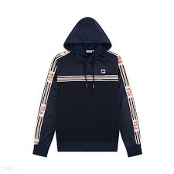 | 687305 170 | MEN BESARION WITH EMBOSSED HOODY | 43.75 € |  |  | 2 | 4 | 4 | 2 |  |  |  | 12
 | 687468 002 | MEN EFIM CREW | 24.95 € |  |  | 1 | 3 | 3 | 3 |  |  |  | 10
 | 687468 B13 | MEN EFIM CREW | 24.95 € |  |  |  | 2 | 3 | 2 |  |  |  | 7
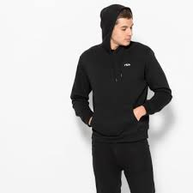 | 687472 002 | MEN EDISON HOODY | 26.95 € |  | 3 | 3 | 3 | 3 |  |  |  |  | 12
 | 687473 002 | MEN EDAN SWEAT PANTS | 22.95 € |  |  | 3 | 3 | 3 | 3 |  |  |  | 12
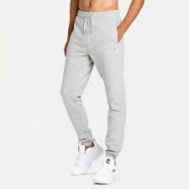 | 687473 B13 | MEN EDAN SWEAT PANTS | 22.95 € |  | 10 | 29 | 40 | 14 | 6 |  |  |  | 99
 | REF: |  | WHS | 110/116 | 122/128 | 134/140 | 146/152 | 158/164 | 170/176 | 86/92 | 94/104 | 98/104 | Total general
 | 687192 A126 | KIDS T-SHIRT CLASSIC DAY | 13.25 € |  | 2 |  |  |  |  | 1 |  |  | 3
 | 687192 A130 | KIDS T-SHIRT CLASSIC DAY | 13.25 € |  |  |  |  |  |  |  |  | 1 | 1
 | 687192 A179 | KIDS T-SHIRT CLASSIC DAY | 13.25 € |  | 2 |  |  |  |  | 1 |  | 3 | 6
 | 687192 G06 | KIDS T-SHIRT CLASSIC DAY | 13.25 € |  | 3 |  |  |  |  |  |  |  | 3
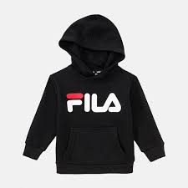 | 687193 002 | KIDS CLASSIC HOODY | 24.95 € |  |  | 1 |  |  |  |  |  | 1 | 2
 | 687193 A163 | KIDS CLASSIC HOODY | 24.95 € | 1 | 3 | 3 | 1 |  |  | 1 |  | 1 | 10
 | 687193 B13 | KIDS CLASSIC HOODY | 24.95 € | 1 | 1 |  | 2 | 3 |  |  |  | 1 | 8
 | 687193 M67 | KIDS CLASSIC HOODY | 24.95 € | 1 | 1 |  |  |  |  | 1 |  |  | 3
 | 687194 A126 | KIDS NIGHT BLOCKED CREW SWEAT KIDS | 24.95 € |  | 1 |  |  |  |  |  |  | 1 | 2
 | 687194 A130 | KIDS NIGHT BLOCKED CREW SWEAT KIDS | 24.95 € |  | 1 | 1 | 1 |  |  | 1 |  | 1 | 5
 | 687194 A179 | KIDS NIGHT BLOCKED CREW SWEAT KIDS | 24.95 € | 1 |  |  |  |  |  |  |  | 1 | 2
 | 687194 G06 | KIDS NIGHT BLOCKED CREW SWEAT KIDS | 24.95 € |  | 1 |  |  |  |  | 1 |  | 1 | 3
 | 687195 170 | KIDS CLASSIC LOGO CREW | 22.95 € |  |  |  | 1 |  |  |  |  |  | 1
 | 687195 A163 | KIDS CLASSIC LOGO CREW | 22.95 € | 1 | 1 |  |  |  |  |  |  | 1 | 3
 | 687195 B13 | KIDS CLASSIC LOGO CREW | 22.95 € | 3 | 3 |  |  |  |  | 3 |  | 3 | 12
 | 687195 M67 | KIDS CLASSIC LOGO CREW | 22.95 € | 1 | 1 |  |  |  |  | 1 |  |  | 3
 | 687196 002 | KIDS CLASSIC LOGO TEE | 11.58 € |  |  |  |  | 3 | 2 |  |  |  | 5
 | 687196 A163 | KIDS CLASSIC LOGO TEE | 11.58 € | 3 | 2 |  |  |  |  |  |  |  | 5
 | 687196 B13 | KIDS CLASSIC LOGO TEE | 11.58 € | 3 | 3 |  |  |  |  | 3 |  | 3 | 12
 | 687197 002 | KIDS CLASSIC PANTS | 18.75 € | 3 | 3 |  |  |  |  | 3 |  |  | 9
 | 687197 A163 | KIDS CLASSIC PANTS | 18.75 € | 1 | 1 |  |  |  |  | 1 |  | 1 | 4
 | 687197 B 13 | KIDS CLASSIC PANTS | 18.75 € | 3 | 3 |  |  |  |  | 3 |  | 1 | 10
 | 687307 002 | KIDS CLASSIC BASIC SHORTS | 14.45 € | 3 | 7 |  |  |  |  | 3 |  | 1 | 14
 | 687307 170 | KIDS CLASSIC BASIC SHORTS | 14.45 € | 2 | 1 |  | 11 |  |  | 4 | 2 |  | 20
 | 687307 B13 | KIDS CLASSIC BASIC SHORTS | 14.45 € | 3 | 3 |  |  |  |  | 2 |  | 3 | 11
 | 687308 170 | KIDS HOODY | 26.95 € | 2 | 3 | 3 | 2 |  |  | 1 |  | 1 | 12
 | 687308 B 13 | KIDS HOODY | 26.95 € | 1 | 3 | 2 | 3 |  |  | 2 |  |  | 11

